van_elburg_2014
van elburg (2014)
https://www.eco-compressors.eu/documents.htm

Country | 1960 | 1961 | 1962 | 1963 | 1964 | 1965 | 1966 | 1967 | 1968 | 1969 | 1970 | 1971 | 1972 | 1973 | 1974 | 1975 | 1976 | 1977 | 1978 | 1979 | 1980 | 1981 | 1982 | 1983 | 1984 | 1985 | 1986 | 1987 | 1988 | 1989 | 1990 | 1991 | 1992 | 1993 | 1994 | 1995 | 1996 | 1997 | 1998 | 1999 | 2000 | 2001 | 2002 | 2003 | 2004 | 2005 | 2006 | 2007 | 2008 | 2009 | 2010 | 2011 | 2012 | 2013 | 2014 | 2015 | 2016 | 2017 | 2018 | 2019 | 2020
EUR | 46.8% | 47.2% | 47.6% | 48.0% | 48.4% | 48.8% | 49.2% | 49.6% | 50.0% | 50.4% | 50.8% | 51.2% | 51.6% | 52.0% | 52.4% | 52.8% | 53.2% | 53.6% | 54.0% | 54.4% | 54.8% | 55.2% | 55.6% | 56.0% | 56.4% | 56.8% | 57.2% | 57.6% | 58.0% | 58.4% | 58.8% | 59.2% | 59.6% | 60.0% | 60.4% | 60.8% | 61.1% | 61.3% | 61.6% | 61.8% | 62.1% | 62.2% | 62.4% | 62.5% | 62.7% | 62.8% | 62.9% | 62.9% | 63.0% | 63.0% | 63.1% | 63.2% | 63.3% | 63.3% | 63.4% | 63.5% | 63.6% | 63.7% | 63.8% | 63.9% | 64.0%
WLD | 46.8% | 47.2% | 47.6% | 48.0% | 48.4% | 48.8% | 49.2% | 49.6% | 50.0% | 50.4% | 50.8% | 51.2% | 51.6% | 52.0% | 52.4% | 52.8% | 53.2% | 53.6% | 54.0% | 54.4% | 54.8% | 55.2% | 55.6% | 56.0% | 56.4% | 56.8% | 57.2% | 57.6% | 58.0% | 58.4% | 58.8% | 59.2% | 59.6% | 60.0% | 60.4% | 60.8% | 61.1% | 61.3% | 61.6% | 61.8% | 62.1% | 62.2% | 62.4% | 62.5% | 62.7% | 62.8% | 62.9% | 62.9% | 63.0% | 63.0% | 63.1% | 63.2% | 63.3% | 63.3% | 63.4% | 63.5% | 63.6% | 63.7% | 63.8% | 63.9% | 64.0%

air compressors energy efficiency

 |  |  | 1990 | 1995 | 2000 | 2005 | 2010 | 2015 | 2020
 |  |  | 58.8% | 60.8% | 62.1% | 62.8% | 63.1% | 63.5% | 64.0%

we can see from table 3-7 that most energy use until now has been for fixed speed drives. So use those efficiencies

vanElburg_2017
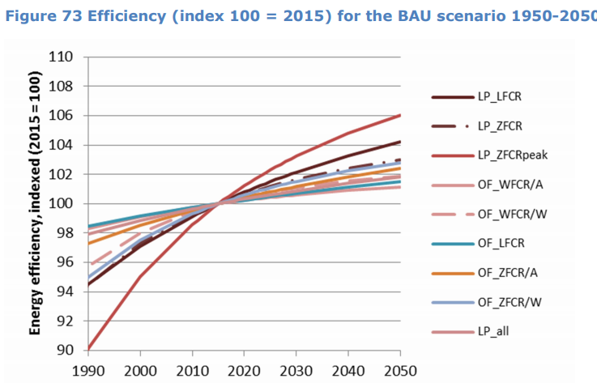
van Elburg et al (2017) - Preparatory study on Low pressure & Oil-free Compressor Packages
https://www.eco-compressors.eu/downloads/FINAL_REPORT_LOT31_LP-OF_20170607.pdf

OF_WFCR/A
Year | Indexed value (2015 = 100) | Efficiency value (table) [-] | Efficiency value (trend) [-]
1990 | 98.0000 |  | 0.6504
1995 | 98.4260 |  | 0.6533
2000 | 98.9360 |  | 0.6566
2005 | 99.2770 |  | 0.6589
2010 | 99.6170 |  | 0.6612
2015 | 100.0430 | 0.6637 | 0.6640
2020 | 100.3830 |  | 0.6662

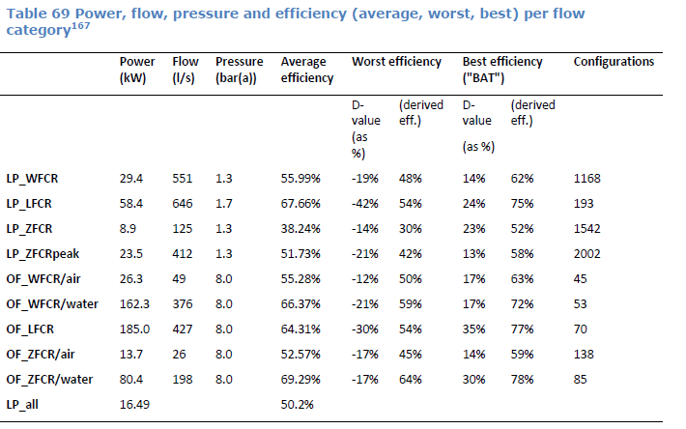

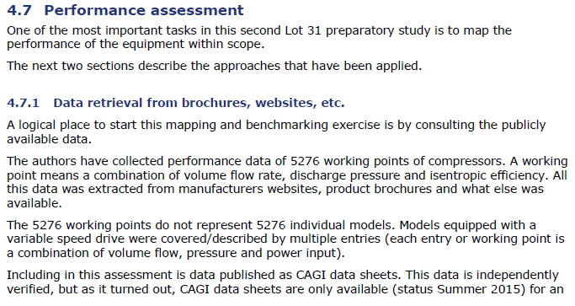

Constructed trend (1960-2020)
Year | Efficiency value (trend) [-] | Efficiency value (constructed) [-] | Source/Method
1960 |  | 0.6353 | Linear forecast
1961 |  | 0.6358 | Linear forecast
1962 |  | 0.6363 | Linear forecast
1963 |  | 0.6369 | Linear forecast
1964 |  | 0.6374 | Linear forecast
1965 |  | 0.6379 | Linear forecast
1966 |  | 0.6384 | Linear forecast
1967 |  | 0.6389 | Linear forecast
1968 |  | 0.6395 | Linear forecast
1969 |  | 0.6400 | Linear forecast
1970 |  | 0.6405 | Linear forecast
1971 |  | 0.6410 | Linear forecast
1972 |  | 0.6415 | Linear forecast
1973 |  | 0.6421 | Linear forecast
1974 |  | 0.6426 | Linear forecast
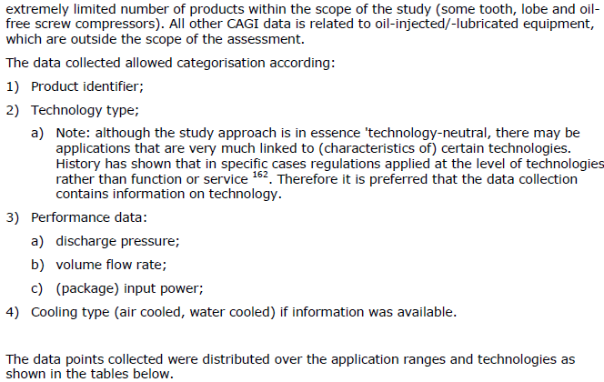
1975 |  | 0.6431 | Linear forecast
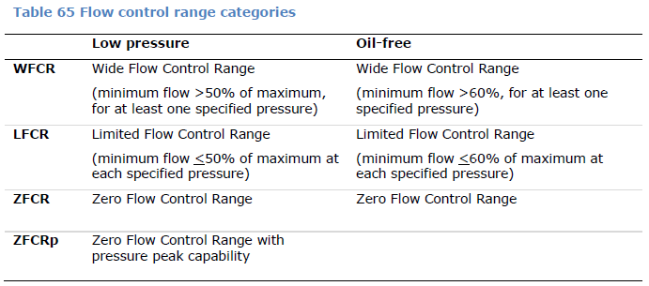
1976 |  | 0.6436 | Linear forecast
1977 |  | 0.6441 | Linear forecast
1978 |  | 0.6447 | Linear forecast
1979 |  | 0.6452 | Linear forecast
1980 |  | 0.6457 | Linear forecast
1981 |  | 0.6462 | Linear forecast
1982 |  | 0.6467 | Linear forecast
1983 |  | 0.6473 | Linear forecast
1984 |  | 0.6478 | Linear forecast
1985 |  | 0.6483 | Linear forecast
1986 |  | 0.6488 | Linear forecast
1987 |  | 0.6493 | Linear forecast
1988 |  | 0.6499 | Linear forecast
1989 |  | 0.6504 | Linear forecast
1990 | 0.6504 | 0.6504 | van Elburg et al (2017)
1991 |  | 0.6510 | Linear interpolation
1992 |  | 0.6516 | Linear interpolation
1993 |  | 0.6521 | Linear interpolation
1994 |  | 0.6527 | Linear interpolation
1995 | 0.6533 | 0.6533 | van Elburg et al (2017)
1996 |  | 0.6539 | Linear interpolation
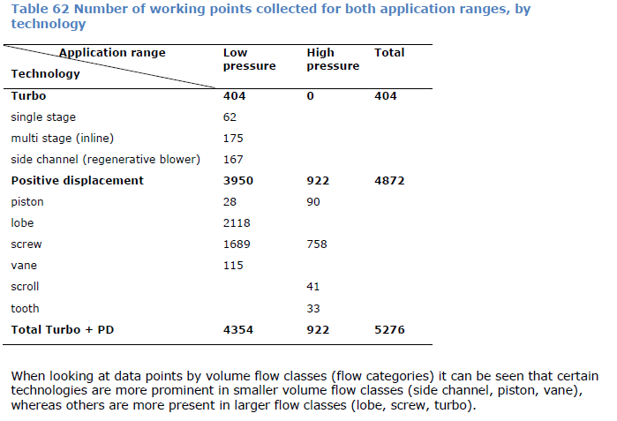
1997 |  | 0.6546 | Linear interpolation
1998 |  | 0.6553 | Linear interpolation
1999 |  | 0.6560 | Linear interpolation
2000 | 0.6566 | 0.6566 | van Elburg et al (2017)
2001 |  | 0.6571 | Linear interpolation
2002 |  | 0.6575 | Linear interpolation
2003 |  | 0.6580 | Linear interpolation
2004 |  | 0.6584 | Linear interpolation
2005 | 0.6589 | 0.6589 | van Elburg et al (2017)
2006 |  | 0.6594 | Linear interpolation
2007 |  | 0.6598 | Linear interpolation
2008 |  | 0.6603 | Linear interpolation
2009 |  | 0.6607 | Linear interpolation
2010 | 0.6612 | 0.6612 | van Elburg et al (2017)
2011 |  | 0.6617 | Linear interpolation
2012 |  | 0.6623 | Linear interpolation
2013 |  | 0.6629 | Linear interpolation
2014 |  | 0.6634 | Linear interpolation
2015 | 0.6640 | 0.6640 | van Elburg et al (2017)
2016 |  | 0.6644 | Linear interpolation
2017 |  | 0.6649 | Linear interpolation
2018 |  | 0.6653 | Linear interpolation
2019 |  | 0.6658 | Linear interpolation
2020 | 0.6662 | 0.6662 | van Elburg et al (2017)

Transposed Constructed data
Year | 1960 | 1961 | 1962 | 1963 | 1964 | 1965 | 1966 | 1967 | 1968 | 1969 | 1970 | 1971 | 1972 | 1973 | 1974 | 1975 | 1976 | 1977 | 1978 | 1979 | 1980 | 1981 | 1982 | 1983 | 1984 | 1985 | 1986 | 1987 | 1988 | 1989 | 1990 | 1991 | 1992 | 1993 | 1994 | 1995 | 1996 | 1997 | 1998 | 1999 | 2000 | 2001 | 2002 | 2003 | 2004 | 2005 | 2006 | 2007 | 2008 | 2009 | 2010 | 2011 | 2012 | 2013 | 2014 | 2015 | 2016 | 2017 | 2018 | 2019 | 2020
eta.fu [-] | 0.6353 | 0.6358 | 0.6363 | 0.6369 | 0.6374 | 0.6379 | 0.6384 | 0.6389 | 0.6395 | 0.6400 | 0.6405 | 0.6410 | 0.6415 | 0.6421 | 0.6426 | 0.6431 | 0.6436 | 0.6441 | 0.6447 | 0.6452 | 0.6457 | 0.6462 | 0.6467 | 0.6473 | 0.6478 | 0.6483 | 0.6488 | 0.6493 | 0.6499 | 0.6504 | 0.6504 | 0.6510 | 0.6516 | 0.6521 | 0.6527 | 0.6533 | 0.6539 | 0.6546 | 0.6553 | 0.6560 | 0.6566 | 0.6571 | 0.6575 | 0.6580 | 0.6584 | 0.6589 | 0.6594 | 0.6598 | 0.6603 | 0.6607 | 0.6612 | 0.6617 | 0.6623 | 0.6629 | 0.6634 | 0.6640 | 0.6644 | 0.6649 | 0.6653 | 0.6658 | 0.6662

VerBeek_2020
Industry | Product | Machine | Eu product | Quantity | 1971 | 1972 | 1973 | 1974 | 1975 | 1976 | 1977 | 1978 | 1979 | 1980 | 1981 | 1982 | 1983 | 1984 | 1985 | 1986 | 1987 | 1988 | 1989 | 1990 | 1991 | 1992 | 1993 | 1994 | 1995 | 1996 | 1997 | 1998 | 1999 | 2000 | 2001 | 2002 | 2003 | 2004 | 2005 | 2006 | 2007 | 2008 | 2009 | 2010 | 2011 | 2012 | 2013
Non-specified (industry) | Electricity |  |  | E.ktoe | 16 | 16 | 20 | 21 | 22 | 23 | 26 | 26 | 30 | 33 | 36 | 35 | 38 | 40 | 50 | 49 | 64 | 67 | 64 | 73 | 66 | 51 | 55 | 49 | 50 | 67 | 63 | 67 | 70 | 77 | 80 | 85 | 93 | 102 | 104 | 104 | 111 | 119 | 106 | 109 | 137 | 148 | 154
Non-specified (industry) | Electricity |  |  | Consumption fraction | 0.014787430684 | 0.014585232452 | 0.017035775128 | 0.017632241814 | 0.017377567141 | 0.015540540541 | 0.016861219196 | 0.016079158936 | 0.017709563164 | 0.019186046512 | 0.020761245675 | 0.020022883295 | 0.021122846026 | 0.022136137244 | 0.027233115468 | 0.026189203634 | 0.031824962705 | 0.032042085127 | 0.028920018075 | 0.032794249775 | 0.030082041933 | 0.022241604884 | 0.023494233234 | 0.020416666667 | 0.020584602717 | 0.027016129032 | 0.023221525986 | 0.023674911661 | 0.027944111776 | 0.029937791602 | 0.029553010713 | 0.030056577086 | 0.029951690821 | 0.032227488152 | 0.031287605295 | 0.033419023136 | 0.029943350418 | 0.034623217923 | 0.030976037405 | 0.032106038292 | 0.038613303269 | 0.038763750655 | 0.041264737406
Non-specified (industry) | Electricity | Electric motors | MD-Electric | C | 0.83 | 0.82907837838 | 0.82815675676 | 0.82723513514 | 0.82631351351 | 0.82539189189 | 0.82447027027 | 0.82354864865 | 0.82262702703 | 0.82170540541 | 0.82078378378 | 0.81986216216 | 0.81894054054 | 0.81801891892 | 0.8170972973 | 0.81617567568 | 0.81525405405 | 0.81433243243 | 0.81341081081 | 0.81248918919 | 0.81156756757 | 0.81064594595 | 0.80972432432 | 0.8088027027 | 0.80788108108 | 0.80695945946 | 0.80603783784 | 0.80511621622 | 0.80419459459 | 0.80327297297 | 0.80235135135 | 0.80142972973 | 0.80050810811 | 0.79958648649 | 0.79866486486 | 0.79774324324 | 0.79682162162 | 0.7959 | 0.79497837838 | 0.79405675676 | 0.79313513514 | 0.79221351351 | 0.79129189189
Non-specified (industry) | Electricity | Electric motors | MD-Electric | eta | 0.82 | 0.82 | 0.82 | 0.83 | 0.83 | 0.83 | 0.84 | 0.84 | 0.84 | 0.85 | 0.85 | 0.85 | 0.86 | 0.86 | 0.86 | 0.87 | 0.87 | 0.87 | 0.88 | 0.88 | 0.88 | 0.89 | 0.89 | 0.89 | 0.90 | 0.90 | 0.90 | 0.91 | 0.91 | 0.91 | 0.92 | 0.92 | 0.92 | 0.92 | 0.93 | 0.93 | 0.93 | 0.94 | 0.94 | 0.95 | 0.95 | 0.95 | 0.95
Non-specified (industry) | Electricity | Electric motors | MD-Electric | phi_product | 1 | 1 | 1 | 1 | 1 | 1 | 1 | 1 | 1 | 1 | 1 | 1 | 1 | 1 | 1 | 1 | 1 | 1 | 1 | 1 | 1 | 1 | 1 | 1 | 1 | 1 | 1 | 1 | 1 | 1 | 1 | 1 | 1 | 1 | 1 | 1 | 1 | 1 | 1 | 1 | 1 | 1 | 1
Non-specified (industry) | Electricity | Refrigeration | LTH.-10.C | C | 0.05 | 0.051416216216 | 0.052832432432 | 0.054248648649 | 0.055664864865 | 0.057081081081 | 0.058497297297 | 0.059913513514 | 0.06132972973 | 0.062745945946 | 0.064162162162 | 0.065578378378 | 0.066994594595 | 0.068410810811 | 0.069827027027 | 0.071243243243 | 0.072659459459 | 0.074075675676 | 0.075491891892 | 0.076908108108 | 0.078324324324 | 0.079740540541 | 0.081156756757 | 0.082572972973 | 0.083989189189 | 0.085405405405 | 0.086821621622 | 0.088237837838 | 0.089654054054 | 0.09107027027 | 0.092486486486 | 0.093902702703 | 0.095318918919 | 0.096735135135 | 0.098151351351 | 0.099567567568 | 0.10098378378 | 0.1024 | 0.10381621622 | 0.10523243243 | 0.10664864865 | 0.10806486486 | 0.10948108108
Non-specified (industry) | Electricity | Refrigeration | LTH.-10.C | eta | 0.02970422446 | 0.029871572204 | 0.030038919947 | 0.03020626769 | 0.030373615434 | 0.030540963177 | 0.030708310921 | 0.030875658664 | 0.031043006408 | 0.031210354151 | 0.031377701894 | 0.031534590404 | 0.031691478913 | 0.031848367423 | 0.032005255932 | 0.032162144442 | 0.032319032951 | 0.032475921461 | 0.03263280997 | 0.03278969848 | 0.032946586989 | 0.033103475499 | 0.033260364008 | 0.033417252518 | 0.03479412949 | 0.036171006462 | 0.037547883434 | 0.038924760406 | 0.040301637379 | 0.041678514351 | 0.043055391323 | 0.044432268295 | 0.045809145267 | 0.04718602224 | 0.048562899212 | 0.049939776184 | 0.051316653156 | 0.052693530128 | 0.054070407101 | 0.055447284073 | 0.056824161045 | 0.058201038017 | 0.059577914989
Non-specified (industry) | Electricity | Refrigeration | LTH.-10.C | phi_product | 0.13300399012 | 0.13300399012 | 0.13300399012 | 0.13300399012 | 0.13300399012 | 0.13300399012 | 0.13300399012 | 0.13300399012 | 0.13300399012 | 0.13300399012 | 0.13300399012 | 0.13300399012 | 0.13300399012 | 0.13300399012 | 0.13300399012 | 0.13300399012 | 0.13300399012 | 0.13300399012 | 0.13300399012 | 0.13300399012 | 0.13300399012 | 0.13300399012 | 0.13300399012 | 0.13300399012 | 0.13300399012 | 0.13300399012 | 0.13300399012 | 0.13300399012 | 0.13300399012 | 0.13300399012 | 0.13300399012 | 0.13300399012 | 0.13300399012 | 0.13300399012 | 0.13300399012 | 0.13300399012 | 0.13300399012 | 0.13300399012 | 0.13300399012 | 0.13300399012 | 0.13300399012 | 0.13300399012 | 0.13300399012
Non-specified (industry) | Electricity | Air compressors | HPA.700.kPa | C | 0.01 | 0.010816216216 | 0.011632432432 | 0.012448648649 | 0.013264864865 | 0.014081081081 | 0.014897297297 | 0.015713513514 | 0.01652972973 | 0.017345945946 | 0.018162162162 | 0.018978378378 | 0.019794594595 | 0.020610810811 | 0.021427027027 | 0.022243243243 | 0.023059459459 | 0.023875675676 | 0.024691891892 | 0.025508108108 | 0.026324324324 | 0.027140540541 | 0.027956756757 | 0.028772972973 | 0.029589189189 | 0.030405405405 | 0.031221621622 | 0.032037837838 | 0.032854054054 | 0.03367027027 | 0.034486486486 | 0.035302702703 | 0.036118918919 | 0.036935135135 | 0.037751351351 | 0.038567567568 | 0.039383783784 | 0.0402 | 0.041016216216 | 0.041832432432 | 0.042648648649 | 0.043464864865 | 0.044281081081
Non-specified (industry) | Electricity | Air compressors | HPA.700.kPa | eta | 0.025 | 0.02619047619 | 0.027380952381 | 0.028571428571 | 0.029761904762 | 0.030952380952 | 0.032142857143 | 0.033333333333 | 0.034523809524 | 0.035714285714 | 0.036904761905 | 0.038095238095 | 0.039285714286 | 0.040476190476 | 0.041666666667 | 0.042857142857 | 0.044047619048 | 0.045238095238 | 0.046428571429 | 0.047619047619 | 0.04880952381 | 0.05 | 0.05119047619 | 0.052380952381 | 0.053571428571 | 0.054761904762 | 0.055952380952 | 0.057142857143 | 0.058333333333 | 0.059523809524 | 0.060714285714 | 0.061904761905 | 0.063095238095 | 0.064285714286 | 0.065476190476 | 0.066666666667 | 0.067857142857 | 0.069047619048 | 0.070238095238 | 0.071428571429 | 0.072619047619 | 0.07380952381 | 0.075
Non-specified (industry) | Electricity | Air compressors | HPA.700.kPa | phi_product | 1 | 1 | 1 | 1 | 1 | 1 | 1 | 1 | 1 | 1 | 1 | 1 | 1 | 1 | 1 | 1 | 1 | 1 | 1 | 1 | 1 | 1 | 1 | 1 | 1 | 1 | 1 | 1 | 1 | 1 | 1 | 1 | 1 | 1 | 1 | 1 | 1 | 1 | 1 | 1 | 1 | 1 | 1
Non-specified (industry) | Electricity | Electric light | Lighting | C | 0.1 | 0.098608108108 | 0.097216216216 | 0.095824324324 | 0.094432432432 | 0.093040540541 | 0.091648648649 | 0.090256756757 | 0.088864864865 | 0.087472972973 | 0.086081081081 | 0.084689189189 | 0.083297297297 | 0.081905405405 | 0.080513513514 | 0.079121621622 | 0.07772972973 | 0.076337837838 | 0.074945945946 | 0.073554054054 | 0.072162162162 | 0.07077027027 | 0.069378378378 | 0.067986486486 | 0.066594594595 | 0.065202702703 | 0.063810810811 | 0.062418918919 | 0.061027027027 | 0.059635135135 | 0.058243243243 | 0.056851351351 | 0.055459459459 | 0.054067567568 | 0.052675675676 | 0.051283783784 | 0.049891891892 | 0.0485 | 0.049316216216 | 0.050132432432 | 0.050948648649 | 0.051764864865 | 0.052581081081
Non-specified (industry) | Electricity | Electric light | Lighting | eta | 0.2 | 0.2 | 0.2 | 0.2 | 0.2 | 0.2 | 0.2 | 0.2 | 0.2 | 0.2 | 0.2 | 0.2 | 0.2 | 0.2 | 0.2 | 0.2 | 0.2 | 0.2 | 0.2 | 0.2 | 0.2 | 0.2 | 0.2 | 0.2 | 0.2 | 0.2 | 0.2 | 0.2 | 0.2 | 0.2 | 0.2 | 0.2 | 0.2 | 0.2 | 0.2 | 0.2 | 0.2 | 0.2 | 0.2 | 0.2 | 0.2 | 0.2 | 0.2
Non-specified (industry) | Electricity | Electric light | Lighting | phi_product | 0.084919472914 | 0.086881405564 | 0.088843338214 | 0.090805270864 | 0.092767203514 | 0.094729136164 | 0.096691068814 | 0.098653001464 | 0.10061493411 | 0.10257686676 | 0.10453879941 | 0.10650073206 | 0.10846266471 | 0.11042459736 | 0.11238653001 | 0.11434846266 | 0.11631039531 | 0.11827232796 | 0.12023426061 | 0.12219619327 | 0.12415812592 | 0.12612005857 | 0.12808199122 | 0.13004392387 | 0.13200585652 | 0.13396778917 | 0.13592972182 | 0.13789165447 | 0.13985358712 | 0.14181551977 | 0.14377745242 | 0.14573938507 | 0.14770131772 | 0.14966325037 | 0.15162518302 | 0.15358711567 | 0.15554904832 | 0.15751098097 | 0.15947291362 | 0.16143484627 | 0.16339677892 | 0.16535871157 | 0.16732064422
Non-specified (industry) | Electricity | Other | Other | C | 0.01 | 0.010081081081 | 0.010162162162 | 0.010243243243 | 0.010324324324 | 0.010405405405 | 0.010486486486 | 0.010567567568 | 0.010648648649 | 0.01072972973 | 0.010810810811 | 0.010891891892 | 0.010972972973 | 0.011054054054 | 0.011135135135 | 0.011216216216 | 0.011297297297 | 0.011378378378 | 0.011459459459 | 0.011540540541 | 0.011621621622 | 0.011702702703 | 0.011783783784 | 0.011864864865 | 0.011945945946 | 0.012027027027 | 0.012108108108 | 0.012189189189 | 0.01227027027 | 0.012351351351 | 0.012432432432 | 0.012513513514 | 0.012594594595 | 0.012675675676 | 0.012756756757 | 0.012837837838 | 0.012918918919 | 0.0130 | 0.010872972973 | 0.0087459459459 | 0.0066189189189 | 0.0044918918919 | 0.0023648648649
Non-specified (industry) | Electricity | Other | Other | eta | 0.25 | 0.25 | 0.25 | 0.25 | 0.25 | 0.25 | 0.25 | 0.25 | 0.25 | 0.25 | 0.25 | 0.25 | 0.25 | 0.25 | 0.25 | 0.25 | 0.25 | 0.25 | 0.25 | 0.25 | 0.25 | 0.25 | 0.25 | 0.25 | 0.25 | 0.25 | 0.25 | 0.25 | 0.25 | 0.25 | 0.25 | 0.25 | 0.25 | 0.25 | 0.25 | 0.25 | 0.25 | 0.25 | 0.25 | 0.25 | 0.25 | 0.25 | 0.25
Non-specified (industry) | Electricity | Other | Other | phi_product | 0.25 | 0.25 | 0.25 | 0.25 | 0.25 | 0.25 | 0.25 | 0.25 | 0.25 | 0.25 | 0.25 | 0.25 | 0.25 | 0.25 | 0.25 | 0.25 | 0.25 | 0.25 | 0.25 | 0.25 | 0.25 | 0.25 | 0.25 | 0.25 | 0.25 | 0.25 | 0.25 | 0.25 | 0.25 | 0.25 | 0.25 | 0.25 | 0.25 | 0.25 | 0.25 | 0.25 | 0.25 | 0.25 | 0.25 | 0.25 | 0.25 | 0.25 | 0.25

 |  | Electric motors |  |  | 13.28 | 13.265254054 | 16.563135135 | 17.371937838 | 18.178897297 | 18.984013514 | 21.436227027 | 21.412264865 | 24.678810811 | 27.116278378 | 29.548216216 | 28.695175676 | 31.119740541 | 32.720756757 | 40.854864865 | 39.992608108 | 52.176259459 | 54.560272973 | 52.058291892 | 59.311710811 | 53.563459459 | 41.342943243 | 44.534837838 | 39.631332432 | 40.394054054 | 54.066283784 | 50.780383784 | 53.942786486 | 56.293621622 | 61.852018919 | 64.188108108 | 68.121527027 | 74.447254054 | 81.557821622 | 83.061145946 | 82.965297297 | 88.4472 | 94.7121 | 84.267708108 | 86.552186486 | 108.65951351 | 117.2476 | 121.85895135
 |  | Refrigeration |  |  | 0.8 | 0.82265945946 | 1.0566486486 | 1.1392216216 | 1.224627027 | 1.3128648649 | 1.5209297297 | 1.5577513514 | 1.8398918919 | 2.0706162162 | 2.3098378378 | 2.2952432432 | 2.5457945946 | 2.7364324324 | 3.4913513514 | 3.4909189189 | 4.6502054054 | 4.9630702703 | 4.8314810811 | 5.6142918919 | 5.1694054054 | 4.0667675676 | 4.4636216216 | 4.0460756757 | 4.1994594595 | 5.7221621622 | 5.4697621622 | 5.9119351351 | 6.2757837838 | 7.0124108108 | 7.3989189189 | 7.9817297297 | 8.8646594595 | 9.8669837838 | 10.207740541 | 10.355027027 | 11.2092 | 12.1856 | 11.004518919 | 11.470335135 | 14.610864865 | 15.9936 | 16.860086486
 |  | Air compressors |  |  | 0.16 | 0.17305945946 | 0.23264864865 | 0.26142162162 | 0.29182702703 | 0.32386486486 | 0.38732972973 | 0.40855135135 | 0.49589189189 | 0.57241621622 | 0.65383783784 | 0.66424324324 | 0.75219459459 | 0.82443243243 | 1.0713513514 | 1.0899189189 | 1.4758054054 | 1.5996702703 | 1.5802810811 | 1.8620918919 | 1.7374054054 | 1.3841675676 | 1.5376216216 | 1.4098756757 | 1.4794594595 | 2.0371621622 | 1.9669621622 | 2.1465351351 | 2.2997837838 | 2.5926108108 | 2.7589189189 | 3.0007297297 | 3.3590594595 | 3.7673837838 | 3.9261405405 | 4.011027027 | 4.3716 | 4.7838 | 4.3477189189 | 4.5597351351 | 5.8428648649 | 6.4328 | 6.8192864865
 |  | Electric light |  |  | 1.6 | 1.5777297297 | 1.9443243243 | 2.0123108108 | 2.0775135135 | 2.1399324324 | 2.3828648649 | 2.3466756757 | 2.6659459459 | 2.8866081081 | 3.0989189189 | 2.9641216216 | 3.1652972973 | 3.2762162162 | 4.0256756757 | 3.8769594595 | 4.9747027027 | 5.1146351351 | 4.7965405405 | 5.3694459459 | 4.7627027027 | 3.6092837838 | 3.8158108108 | 3.3313378378 | 3.3297297297 | 4.3685810811 | 4.0200810811 | 4.1820675676 | 4.2718918919 | 4.5919054054 | 4.6594594595 | 4.8323648649 | 5.1577297297 | 5.5148918919 | 5.4782702703 | 5.3335135135 | 5.538 | 5.7715 | 5.2275189189 | 5.4644351351 | 6.9799648649 | 7.6612 | 8.0974864865
 |  | Other |  |  | 0.16 | 0.1612972973 | 0.20324324324 | 0.21510810811 | 0.22713513514 | 0.23932432432 | 0.27264864865 | 0.27475675676 | 0.31945945946 | 0.35408108108 | 0.38918918919 | 0.38121621622 | 0.41697297297 | 0.44216216216 | 0.55675675676 | 0.54959459459 | 0.72302702703 | 0.76235135135 | 0.73340540541 | 0.84245945946 | 0.76702702703 | 0.59683783784 | 0.64810810811 | 0.58137837838 | 0.5972972973 | 0.80581081081 | 0.76281081081 | 0.81667567568 | 0.85891891892 | 0.95105405405 | 0.99459459459 | 1.0636486486 | 1.1712972973 | 1.2929189189 | 1.3267027027 | 1.3351351351 | 1.434 | 1.547 | 1.1525351351 | 0.95330810811 | 0.90679189189 | 0.6648 | 0.36418918919

Energy Demand per Year
 |  |  |  |  |  | For textile plants, most electricity goes to ring spinning:
 |  |  |  |  |  | https://cloudfront.escholarship.org/dist/prd/content/qt6jw8s2gz/qt6jw8s2gz.pdf
 |  |  |  |  |  | Ring Spinning uses ~34kW motors (45.6 hp) (C://Downloads/ring spinning, pg 10)
 |  |  |  |  |  | Industry Standards from 1989 to present for 50hp motors:
 |  |  |  |  |  | 91-95%
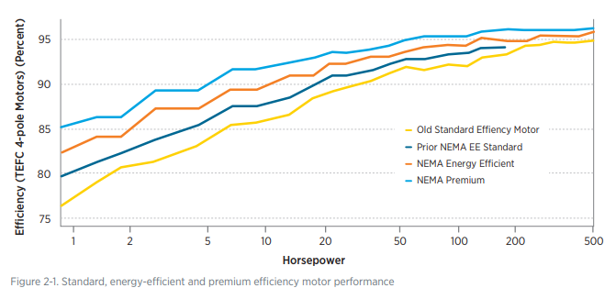

Energy Allocation per Year
 |  |  |  |  |  | https://www.energy.gov/sites/prod/files/2014/04/f15/amo_motors_handbook_web.pdf
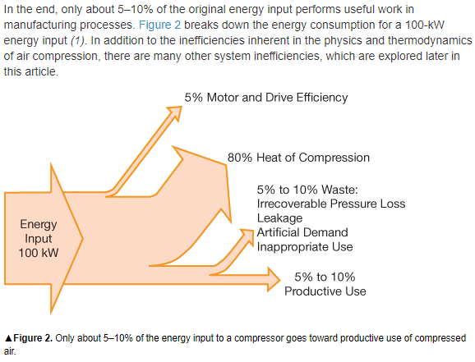

 |  |  |  |  |  |  | https://www1.eere.energy.gov/femp/pdfs/compair_webinar_05162011.pdf

1990 | 1991 | 1992 | 1993 | 1994 | 1995 | 1996 | 1997
86.28 | 87.14 | 87.32 | 87.72 | 87.62 | 87.64 | 87.9 | 88
1.00% | 0.21% | 0.46% | -0.11% | 0.02% | 0.30% | 0.11%

